Aframax WBT
CARGO/BALLAST TANK INSPECTION REPORT (AFRAMAX WBT)

 |  |  |  |  | Water Ballast Tank |  |  |  |  |  | Compartment Report
Vessel |  |  |  |  | Tank # |  |  |  |  |  | Total Compartment Score |  |  |  |  | 0.0
IMO # |  |  |  |  | Frame |  |  |  |  |  | Photos Taken |  |  |  |  | Y | N | Date of Insp
Vessel Type |  |  |  |  | Inspected By |  |  |  |  |  | Critical Areas Inspected |  |  |  |  | Y | N | Last Insp
Year Built |  |  |  |  | Rank |  |  |  |  |  | Any Deffects detected |  |  |  |  | Y | N | Next Insp
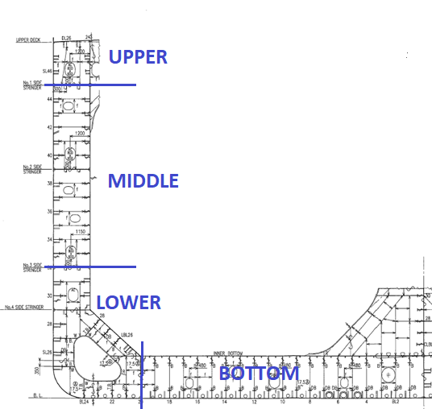
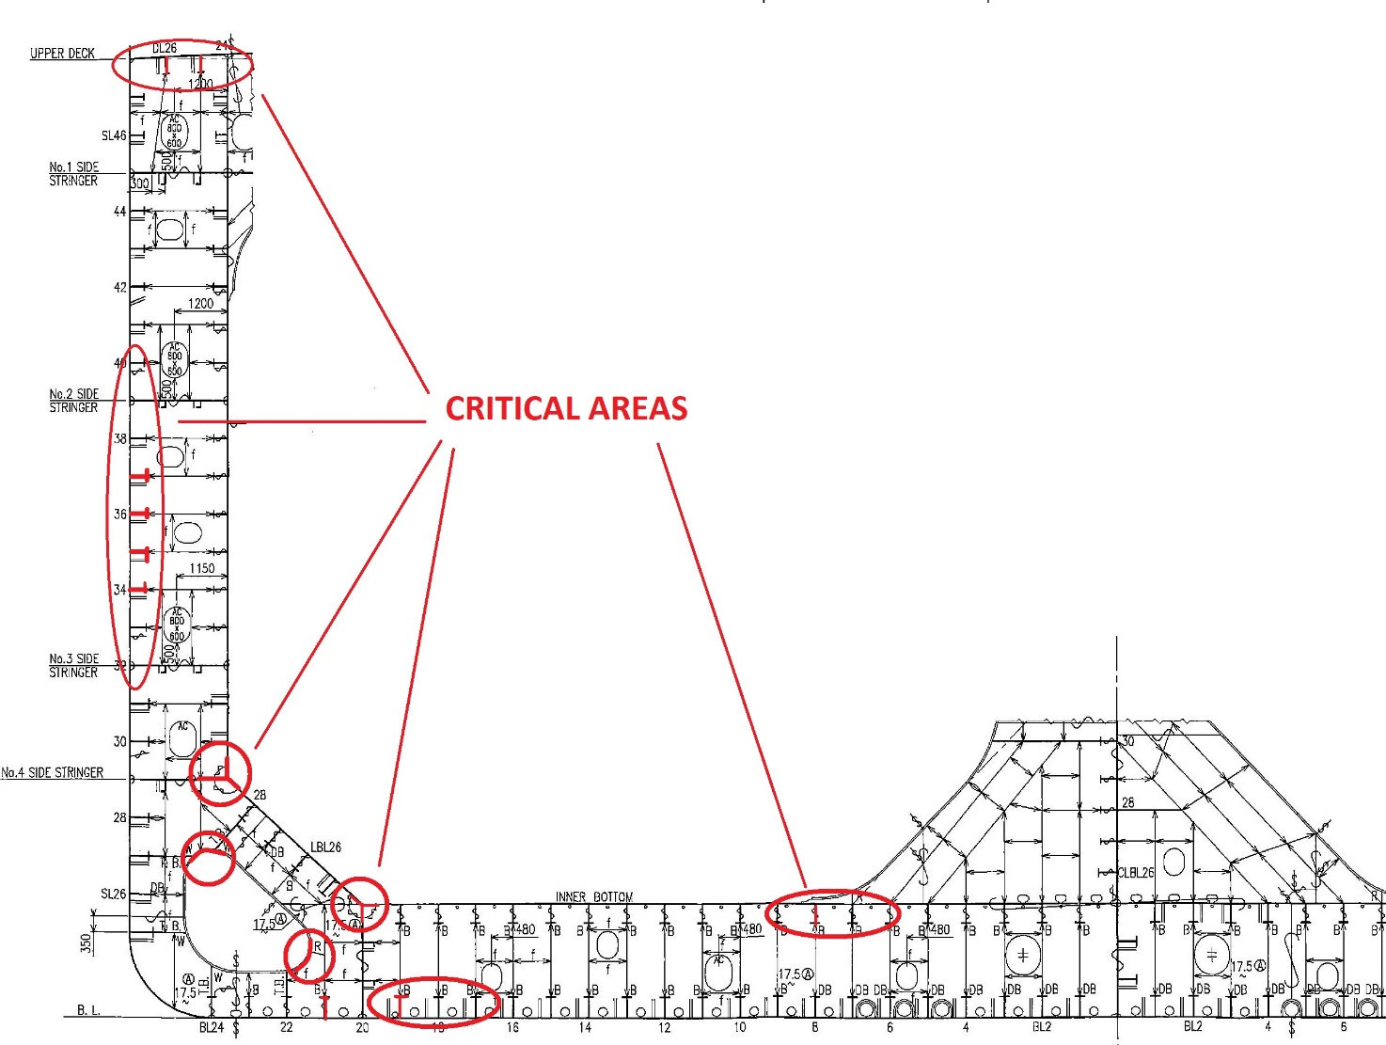

 | Bottom Fwd | Bottom Middle | Bottom Aft | Lower - Fwd Trans Bhd | Lower - Port (Inner Long Bhd + Inner Bottom/Sideshell) | Lower - Stbd (Inner Long Bhd + Inner Bottom/Sideshell) | Lower - Aft Trans Bhd | Middle - Fwd Trans Bhd | Middle - Port (Inner Long Bhd + Sideshell) | Middle - Stbd (Inner Long Bhd + Sideshell) | Middle - Aft Trans Bhd | Upper - Fwd Trans Bhd | Upper - Port (Inner Long Bhd + Sideshell) | Upper - Stbd (Inner Long Bhd + Sideshell) | Upper - Aft Trans Bhd | Deck Head | Total All Zones | Max Zone Score | Inspection Criterion Score
Abbreviation | BF | BM | BA | LF | LP | LS | LA | MF | MP | MS | MA | UF | UP | US | UA | D |  |  |  | Total Compartment Score
ZONE ID | 1 | 2 | 3 | 4 | 5 | 6 | 7 | 8 | 9 | 10 | 11 | 12 | 13 | 14 | 15 | 16
Coating |  |  |  |  |  |  |  |  |  |  |  |  |  |  |  |  | 0 | 0 | 0.0
General Condition |  |  |  |  |  |  |  |  |  |  |  |  |  |  |  |  | 0 | 0 | 0.0
Pitting & Grooving |  |  |  |  |  |  |  |  |  |  |  |  |  |  |  |  | 0 | 0 | 0.0
Deformation |  |  |  |  |  |  |  |  |  |  |  |  |  |  |  |  | 0 | 0 | 0.0 | 0.0
Fracture |  |  |  |  |  |  |  |  |  |  |  |  |  |  |  |  | 0 | 0 | 0.0
Condition of Fittings |  |  |  |  |  |  |  |  |  |  |  |  |  |  |  |  | 0 | 0 | 0.0
Condition of Anode |  |  |  |  |  |  |  |  |  |  |  |  |  |  |  |  | 0 | 0 | 0.0
Sedimentation |  |  |  |  |  |  |  |  |  |  |  |  |  |  |  |  | 0 | 0 | 0.0
House Keeping |  |  |  |  |  |  |  |  |  |  |  |  |  |  |  |  | 0 | 0 | 0.0
Zone Total | 0 | 0 | 0 | 0 | 0 | 0 | 0 | 0 | 0 | 0 | 0 | 0 | 0 | 0 | 0 | 0 | 0 |  | 0.0

Inspection Report

Notification Thresholds |  |  |  |  |  | Remarks
Inspection Criteria |  |  | Notify Superintendent
Coating Condition |  |  | > 3 points
General Corrosion |  |  | > 3 points
Pitting & Grooving Corrosion |  |  | > 3 points
Deformation |  |  | > 0 points
Fracture |  |  | > 0 points |  |  |  |  | Chief Officer |  |  |  |  |  |  |  |  |  | Master
Cleanliness & Housekeeping |  |  | > 3 points

Aframax FPK
CARGO/BALLAST TANK INSPECTION REPORT (AFRAMAX FPK)

 |  |  | Water Ballast Tank |  |  |  |  |  | Compartment Report
Vessel |  |  | Tank # |  |  |  |  |  | Total Compartment Score |  |  |  |  | 0.0
IMO # |  |  | Frame |  |  |  |  |  | Photos Taken |  |  |  |  | Y | N | Date of Insp
Vessel Type |  |  | Inspected By |  |  |  |  |  | Critical Areas Inspected |  |  |  |  | Y | N | Last Insp
Year Built |  |  | Rank |  |  |  |  |  | Any Deffects detected |  |  |  |  | Y | N | Next Insp
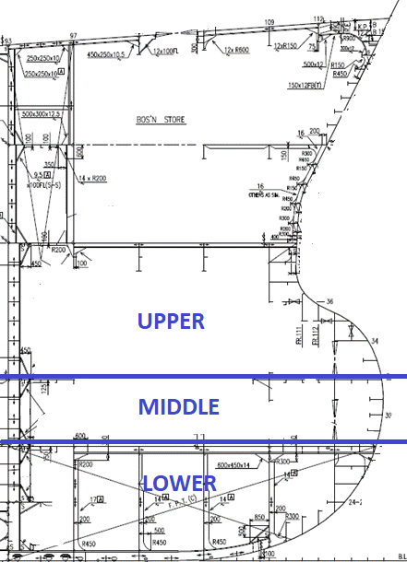
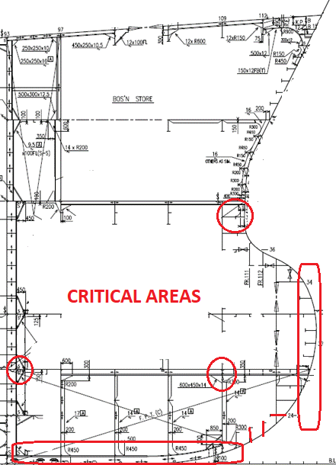

 |  | Lower - Fwd Trans Bhd | Lower - Port (Inner Long Bhd + Inner Bottom/Sideshell) | Lower - Stbd (Inner Long Bhd + Inner Bottom/Sideshell) | Lower - Aft Trans Bhd | Middle - Fwd Trans Bhd | Middle - Port (Inner Long Bhd + Sideshell) | Middle - Stbd (Inner Long Bhd + Sideshell) | Middle - Aft Trans Bhd | Upper - Fwd Trans Bhd | Upper - Port (Inner Long Bhd + Sideshell) | Upper - Stbd (Inner Long Bhd + Sideshell) | Upper - Aft Trans Bhd | Deck Head | Total All Zones | Max Zone Score | Inspection Criterion Score
Abbreviation |  | LF | LP | LS | LA | MF | MP | MS | MA | UF | UP | US | UA | D |  |  |  | Total Compartment Score
ZONE ID |  | 1 | 2 | 3 | 4 | 5 | 6 | 7 | 8 | 9 | 10 | 11 | 12 | 13
Coating |  |  |  |  |  |  |  |  |  |  |  |  |  |  | 0 | 0 | 0.0
General Condition |  |  |  |  |  |  |  |  |  |  |  |  |  |  | 0 | 0 | 0.0
Pitting & Grooving |  |  |  |  |  |  |  |  |  |  |  |  |  |  | 0 | 0 | 0.0
Deformation |  |  |  |  |  |  |  |  |  |  |  |  |  |  | 0 | 0 | 0.0 | 0.0
Fracture |  |  |  |  |  |  |  |  |  |  |  |  |  |  | 0 | 0 | 0.0
Condition of Fittings |  |  |  |  |  |  |  |  |  |  |  |  |  |  | 0 | 0 | 0.0
Condition of Anode |  |  |  |  |  |  |  |  |  |  |  |  |  |  | 0 | 0 | 0.0
Sedimentation |  |  |  |  |  |  |  |  |  |  |  |  |  |  | 0 | 0 | 0.0
House Keeping |  |  |  |  |  |  |  |  |  |  |  |  |  |  | 0 | 0 | 0.0
Zone Total |  | 0 | 0 | 0 | 0 | 0 | 0 | 0 | 0 | 0 | 0 | 0 | 0 | 0 | 0 |  | 0.0

Inspection Report

Notification Thresholds |  |  |  | Remarks
Inspection Criteria | Notify Superintendent
Coating Condition | > 3 points
General Corrosion | > 3 points
Pitting & Grooving Corrosion | > 3 points
Deformation | > 0 points
Fracture | > 0 points |  |  |  |  | Chief Officer |  |  |  |  |  |  |  |  |  | Master
Cleanliness & Housekeeping | > 3 points

Aframax APK
CARGO/BALLAST TANK INSPECTION REPORT (AFRAMAX APK)

 |  | Water Ballast Tank |  |  |  |  | Compartment Report
Vessel |  | Tank # |  |  |  |  | Total Compartment Score |  |  |  |  | 0.0
IMO # |  | Frame |  |  |  |  | Photos Taken |  |  |  |  | Y | N | Date of Insp
Vessel Type |  | Inspected By |  |  |  |  | Critical Areas Inspected |  |  |  |  | Y | N | Last Insp
Year Built |  | Rank |  |  |  |  | Any Deffects detected |  |  |  |  | Y | N | Next Insp
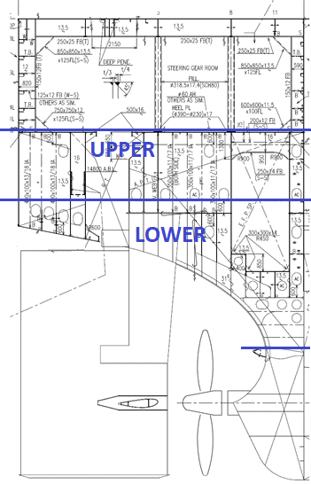
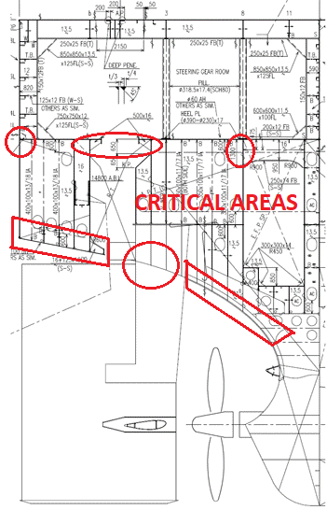

 |  |  |  | Lower - Fwd Trans Bhd | Lower - Port (Inner Long Bhd + Inner Bottom/Sideshell) | Lower - Stbd (Inner Long Bhd + Inner Bottom/Sideshell) | Lower - Aft Trans Bhd | Upper - Fwd Trans Bhd | Upper - Port (Inner Long Bhd + Sideshell) | Upper - Stbd (Inner Long Bhd + Sideshell) | Upper - Aft Trans Bhd | Deck Head | Total All Zones | Max Zone Score | Inspection Criterion Score
Abbreviation |  |  |  | LF | LP | LS | LA | UF | UP | US | UA | D |  |  |  | Total Compartment Score
ZONE ID |  |  |  | 1 | 2 | 3 | 4 | 5 | 6 | 7 | 8 | 9
Coating |  |  |  |  |  |  |  |  |  |  |  |  | 0 | 0 | 0.0
General Condition |  |  |  |  |  |  |  |  |  |  |  |  | 0 | 0 | 0.0
Pitting & Grooving |  |  |  |  |  |  |  |  |  |  |  |  | 0 | 0 | 0.0
Deformation |  |  |  |  |  |  |  |  |  |  |  |  | 0 | 0 | 0.0 | 0.0
Fracture |  |  |  |  |  |  |  |  |  |  |  |  | 0 | 0 | 0.0
Condition of Fittings |  |  |  |  |  |  |  |  |  |  |  |  | 0 | 0 | 0.0
Condition of Anode |  |  |  |  |  |  |  |  |  |  |  |  | 0 | 0 | 0.0
Sedimentation |  |  |  |  |  |  |  |  |  |  |  |  | 0 | 0 | 0.0
House Keeping |  |  |  |  |  |  |  |  |  |  |  |  | 0 | 0 | 0.0
Zone Total |  |  |  | 0 | 0 | 0 | 0 | 0 | 0 | 0 | 0 | 0 | 0 |  | 0.0

Inspection Report

Notification Thresholds |  |  | Remarks
Inspection Criteria | Notify Superintendent
Coating Condition | > 3 points
General Corrosion | > 3 points
Pitting & Grooving Corrosion | > 3 points
Deformation | > 0 points
Fracture | > 0 points |  |  | Chief Officer |  |  |  |  |  |  |  |  |  | Master
Cleanliness & Housekeeping | > 3 points

VLCC WBT
CARGO/BALLAST TANK INSPECTION REPORT (VLCC WBT)

 |  |  |  |  | Water Ballast Tank |  |  |  |  |  | Compartment Report
Vessel |  |  |  |  | Tank # |  |  |  |  |  | Total Compartment Score |  |  |  |  | 0.0
IMO # |  |  |  |  | Frame |  |  |  |  |  | Photos Taken |  |  |  |  | Y | N | Date of Insp
Vessel Type |  |  |  |  | Inspected By |  |  |  |  |  | Critical Areas Inspected |  |  |  |  | Y | N | Last Insp
Year Built |  |  |  |  | Rank |  |  |  |  |  | Any Deffects detected |  |  |  |  | Y | N | Next Insp
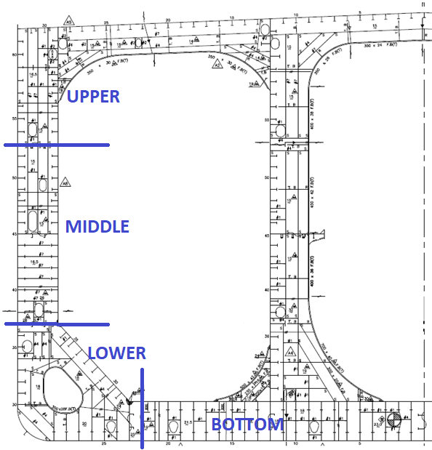
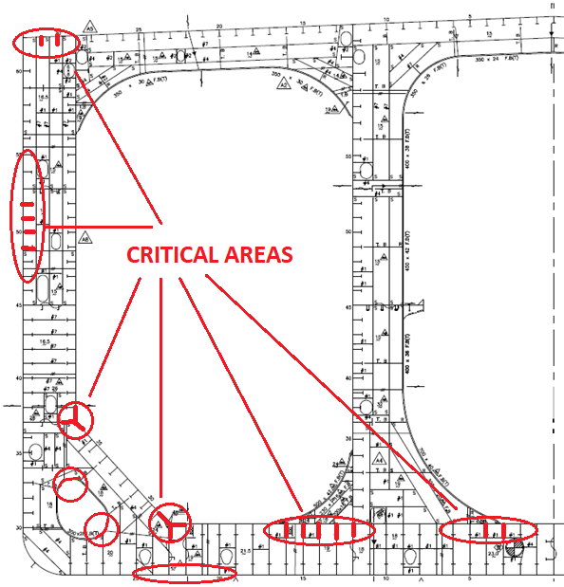

 | Bottom Fwd | Bottom Middle | Bottom Aft | Lower - Fwd Trans Bhd | Lower - Port (Inner Long Bhd + Inner Bottom/Sideshell) | Lower - Stbd (Inner Long Bhd + Inner Bottom/Sideshell) | Lower - Aft Trans Bhd | Middle - Fwd Trans Bhd | Middle - Port (Inner Long Bhd + Sideshell) | Middle - Stbd (Inner Long Bhd + Sideshell) | Middle - Aft Trans Bhd | Upper - Fwd Trans Bhd | Upper - Port (Inner Long Bhd + Sideshell) | Upper - Stbd (Inner Long Bhd + Sideshell) | Upper - Aft Trans Bhd | Deck Head | Total All Zones | Max Zone Score | Inspection Criterion Score
Abbreviation | BF | BM | BA | LF | LP | LS | LA | MF | MP | MS | MA | UF | UP | US | UA | D |  |  |  | Total Compartment Score
ZONE ID | 1 | 2 | 3 | 4 | 5 | 6 | 7 | 8 | 9 | 10 | 11 | 12 | 13 | 14 | 15 | 16
Coating |  |  |  |  |  |  |  |  |  |  |  |  |  |  |  |  | 0 | 0 | 0.0
General Condition |  |  |  |  |  |  |  |  |  |  |  |  |  |  |  |  | 0 | 0 | 0.0
Pitting & Grooving |  |  |  |  |  |  |  |  |  |  |  |  |  |  |  |  | 0 | 0 | 0.0
Deformation |  |  |  |  |  |  |  |  |  |  |  |  |  |  |  |  | 0 | 0 | 0.0 | 0.0
Fracture |  |  |  |  |  |  |  |  |  |  |  |  |  |  |  |  | 0 | 0 | 0.0
Condition of Fittings |  |  |  |  |  |  |  |  |  |  |  |  |  |  |  |  | 0 | 0 | 0.0
Condition of Anode |  |  |  |  |  |  |  |  |  |  |  |  |  |  |  |  | 0 | 0 | 0.0
Sedimentation |  |  |  |  |  |  |  |  |  |  |  |  |  |  |  |  | 0 | 0 | 0.0
House Keeping |  |  |  |  |  |  |  |  |  |  |  |  |  |  |  |  | 0 | 0 | 0.0
Zone Total | 0 | 0 | 0 | 0 | 0 | 0 | 0 | 0 | 0 | 0 | 0 | 0 | 0 | 0 | 0 | 0 | 0 |  | 0.0

Inspection Report

Notification Thresholds |  |  |  |  |  | Remarks
Inspection Criteria |  |  | Notify Superintendent
Coating Condition |  |  | > 3 points
General Corrosion |  |  | > 3 points
Pitting & Grooving Corrosion |  |  | > 3 points
Deformation |  |  | > 0 points
Fracture |  |  | > 0 points |  |  |  |  | Chief Officer |  |  |  |  |  |  |  |  |  | Master
Cleanliness & Housekeeping |  |  | > 3 points

VLCC FPK
CARGO/BALLAST TANK INSPECTION REPORT (VLCC FPK)

 |  |  | Water Ballast Tank |  |  |  |  |  | Compartment Report
Vessel |  |  | Tank # |  |  |  |  |  | Total Compartment Score |  |  |  |  | 0.0
IMO # |  |  | Frame |  |  |  |  |  | Photos Taken |  |  |  |  | Y | N | Date of Insp
Vessel Type |  |  | Inspected By |  |  |  |  |  | Critical Areas Inspected |  |  |  |  | Y | N | Last Insp
Year Built |  |  | Rank |  |  |  |  |  | Any Deffects detected |  |  |  |  | Y | N | Next Insp
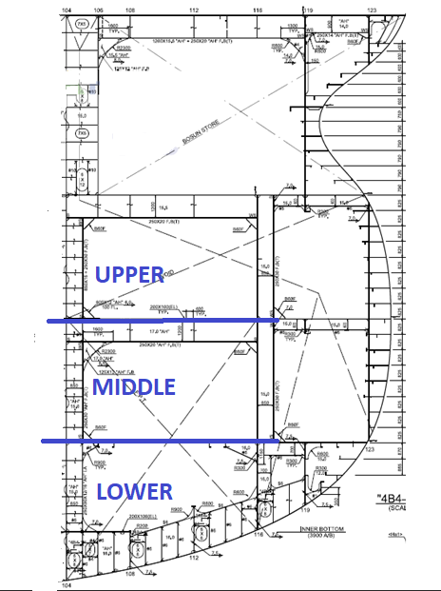
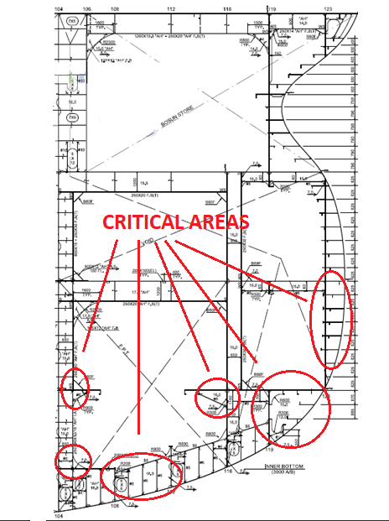

 |  | Lower - Fwd Trans Bhd | Lower - Port (Inner Long Bhd + Inner Bottom/Sideshell) | Lower - Stbd (Inner Long Bhd + Inner Bottom/Sideshell) | Lower - Aft Trans Bhd | Middle - Fwd Trans Bhd | Middle - Port (Inner Long Bhd + Sideshell) | Middle - Stbd (Inner Long Bhd + Sideshell) | Middle - Aft Trans Bhd | Upper - Fwd Trans Bhd | Upper - Port (Inner Long Bhd + Sideshell) | Upper - Stbd (Inner Long Bhd + Sideshell) | Upper - Aft Trans Bhd | Deck Head | Total All Zones | Max Zone Score | Inspection Criterion Score
Abbreviation |  | LF | LP | LS | LA | MF | MP | MS | MA | UF | UP | US | UA | D |  |  |  | Total Compartment Score
ZONE ID |  | 1 | 2 | 3 | 4 | 5 | 6 | 7 | 8 | 9 | 10 | 11 | 12 | 13
Coating |  |  |  |  |  |  |  |  |  |  |  |  |  |  | 0 | 0 | 0.0
General Condition |  |  |  |  |  |  |  |  |  |  |  |  |  |  | 0 | 0 | 0.0
Pitting & Grooving |  |  |  |  |  |  |  |  |  |  |  |  |  |  | 0 | 0 | 0.0
Deformation |  |  |  |  |  |  |  |  |  |  |  |  |  |  | 0 | 0 | 0.0 | 0.0
Fracture |  |  |  |  |  |  |  |  |  |  |  |  |  |  | 0 | 0 | 0.0
Condition of Fittings |  |  |  |  |  |  |  |  |  |  |  |  |  |  | 0 | 0 | 0.0
Condition of Anode |  |  |  |  |  |  |  |  |  |  |  |  |  |  | 0 | 0 | 0.0
Sedimentation |  |  |  |  |  |  |  |  |  |  |  |  |  |  | 0 | 0 | 0.0
House Keeping |  |  |  |  |  |  |  |  |  |  |  |  |  |  | 0 | 0 | 0.0
Zone Total |  | 0 | 0 | 0 | 0 | 0 | 0 | 0 | 0 | 0 | 0 | 0 | 0 | 0 | 0 |  | 0.0

Inspection Report

Notification Thresholds |  |  |  | Remarks
Inspection Criteria | Notify Superintendent
Coating Condition | > 3 points
General Corrosion | > 3 points
Pitting & Grooving Corrosion | > 3 points
Deformation | > 0 points
Fracture | > 0 points |  |  |  |  | Chief Officer |  |  |  |  |  |  |  |  |  | Master
Cleanliness & Housekeeping | > 3 points

VLCC APK
CARGO/BALLAST TANK INSPECTION REPORT (VLCC APK)

 |  |  | Water Ballast Tank |  |  |  |  |  | Compartment Report
Vessel |  |  | Tank # |  |  |  |  |  | Total Compartment Score |  |  |  |  | 0.0
IMO # |  |  | Frame |  |  |  |  |  | Photos Taken |  |  |  |  | Y | N | Date of Insp
Vessel Type |  |  | Inspected By |  |  |  |  |  | Critical Areas Inspected |  |  |  |  | Y | N | Last Insp
Year Built |  |  | Rank |  |  |  |  |  | Any Deffects detected |  |  |  |  | Y | N | Next Insp
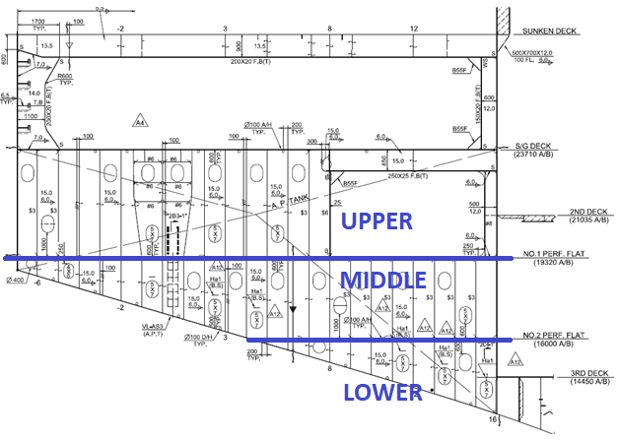
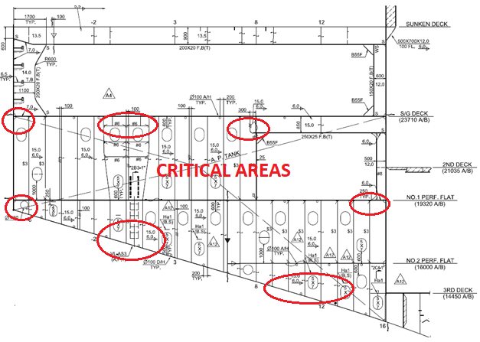

 |  | Lower - Fwd Trans Bhd | Lower - Port (Inner Long Bhd + Inner Bottom/Sideshell) | Lower - Stbd (Inner Long Bhd + Inner Bottom/Sideshell) | Lower - Aft Trans Bhd | Middle - Fwd Trans Bhd | Middle - Port (Inner Long Bhd + Sideshell) | Middle - Stbd (Inner Long Bhd + Sideshell) | Middle - Aft Trans Bhd | Upper - Fwd Trans Bhd | Upper - Port (Inner Long Bhd + Sideshell) | Upper - Stbd (Inner Long Bhd + Sideshell) | Upper - Aft Trans Bhd | Deck Head | Total All Zones | Max Zone Score | Inspection Criterion Score
Abbreviation |  | LF | LP | LS | LA | MF | MP | MS | MA | UF | UP | US | UA | D |  |  |  | Total Compartment Score
ZONE ID |  | 1 | 2 | 3 | 4 | 5 | 6 | 7 | 8 | 9 | 10 | 11 | 12 | 13
Coating |  |  |  |  |  |  |  |  |  |  |  |  |  |  | 0 | 0 | 0.0
General Condition |  |  |  |  |  |  |  |  |  |  |  |  |  |  | 0 | 0 | 0.0
Pitting & Grooving |  |  |  |  |  |  |  |  |  |  |  |  |  |  | 0 | 0 | 0.0
Deformation |  |  |  |  |  |  |  |  |  |  |  |  |  |  | 0 | 0 | 0.0 | 0.0
Fracture |  |  |  |  |  |  |  |  |  |  |  |  |  |  | 0 | 0 | 0.0
Condition of Fittings |  |  |  |  |  |  |  |  |  |  |  |  |  |  | 0 | 0 | 0.0
Condition of Anode |  |  |  |  |  |  |  |  |  |  |  |  |  |  | 0 | 0 | 0.0
Sedimentation |  |  |  |  |  |  |  |  |  |  |  |  |  |  | 0 | 0 | 0.0
House Keeping |  |  |  |  |  |  |  |  |  |  |  |  |  |  | 0 | 0 | 0.0
Zone Total |  | 0 | 0 | 0 | 0 | 0 | 0 | 0 | 0 | 0 | 0 | 0 | 0 | 0 | 0 |  | 0.0

Inspection Report

Notification Thresholds |  |  |  | Remarks
Inspection Criteria | Notify Superintendent
Coating Condition | > 3 points
General Corrosion | > 3 points
Pitting & Grooving Corrosion | > 3 points
Deformation | > 0 points
Fracture | > 0 points |  |  |  |  | Chief Officer |  |  |  |  |  |  |  |  |  | Master
Cleanliness & Housekeeping | > 3 points

Aframax Cargo Tank
CARGO/BALLAST TANK INSPECTION REPORT (AFRAMAX CARGO TANK)

 |  |  | Water Ballast Tank |  |  |  |  |  | Compartment Report
Vessel |  |  | Tank # |  |  |  |  |  | Total Compartment Score |  |  |  |  | 0.0
IMO # |  |  | Frame |  |  |  |  |  | Photos Taken |  |  |  |  | Y | N | Date of Insp
Vessel Type |  |  | Inspected By |  |  |  |  |  | Critical Areas Inspected |  |  |  |  | Y | N | Last Insp
Year Built |  |  | Rank |  |  |  |  |  | Any Deffects detected |  |  |  |  | Y | N | Next Insp
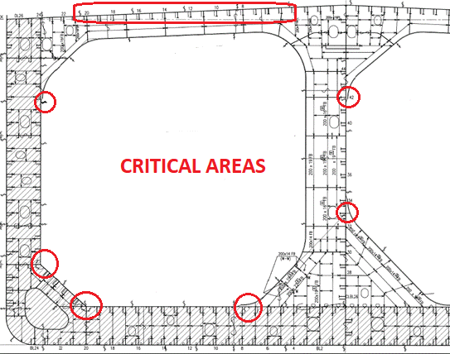
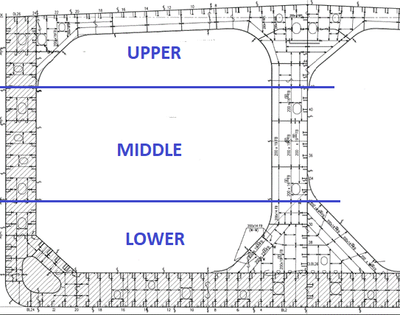

 | Tanktop - Inner Bottom | Lower - Port Long Bhd | Lower - Fwd Bhd | Lower - Stbd Long Bhd | Lower - Aft Bhd | Middle - Port Long Bhd | Middle - Fwd Bhd | Middle - Stbd Long Bhd | Middle - Aft Bhd | Upper - Port Long Bhd | Upper - Fwd Bhd | Upper - Stbd Long Bhd | Upper - Aft Bhd | Under Deck | Total All Zones | Max Zone Score | Inspection Criterion Score
Abbreviation | T | LP | LF | LS | LA | MP | MF | MS | MA | UP | UF | US | UA | D |  |  |  | Total Compartment Score
ZONE ID | 1 | 2 | 3 | 4 | 5 | 6 | 7 | 8 | 9 | 10 | 11 | 12 | 13 | 14
Coating |  |  |  |  |  |  |  |  |  |  |  |  |  |  | 0 | 0 | 0.0
General Condition |  |  |  |  |  |  |  |  |  |  |  |  |  |  | 0 | 0 | 0.0
Pitting & Grooving |  |  |  |  |  |  |  |  |  |  |  |  |  |  | 0 | 0 | 0.0
Deformation |  |  |  |  |  |  |  |  |  |  |  |  |  |  | 0 | 0 | 0.0 | 0.0
Fracture |  |  |  |  |  |  |  |  |  |  |  |  |  |  | 0 | 0 | 0.0
Condition of Fittings |  |  |  |  |  |  |  |  |  |  |  |  |  |  | 0 | 0 | 0.0
Cleanliness |  |  |  |  |  |  |  |  |  |  |  |  |  |  | 0 | 0 | 0.0
Zone Total | 0 | 0 | 0 | 0 | 0 | 0 | 0 | 0 | 0 | 0 | 0 | 0 | 0 | 0 | 0 |  | 0.0

Inspection Report

Notification Thresholds |  |  |  | Remarks
Inspection Criteria | Notify Superintendent
Coating Condition | > 3 points
General Corrosion | > 3 points
Pitting & Grooving Corrosion | > 3 points
Deformation | > 0 points
Fracture | > 0 points |  |  |  |  | Chief Officer |  |  |  |  |  |  |  |  |  | Master
Cleanliness & Housekeeping | > 3 points

VLCC CARGO TANK
CARGO/BALLAST TANK INSPECTION REPORT (VLCC CARGO TANK)

 |  |  | Water Ballast Tank |  |  |  |  |  | Compartment Report
Vessel |  |  | Tank # |  |  |  |  |  | Total Compartment Score |  |  |  |  | 0.0
IMO # |  |  | Frame |  |  |  |  |  | Photos Taken |  |  |  |  | Y | N | Date of Insp
Vessel Type |  |  | Inspected By |  |  |  |  |  | Critical Areas Inspected |  |  |  |  | Y | N | Last Insp
Year Built |  |  | Rank |  |  |  |  |  | Any Deffects detected |  |  |  |  | Y | N | Next Insp
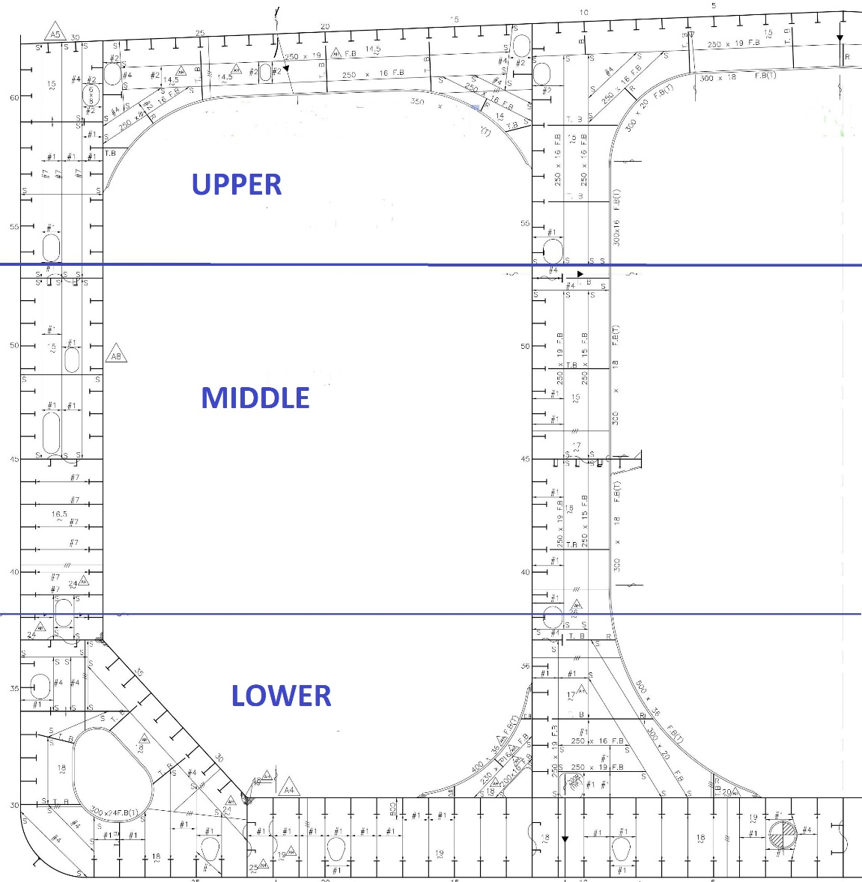
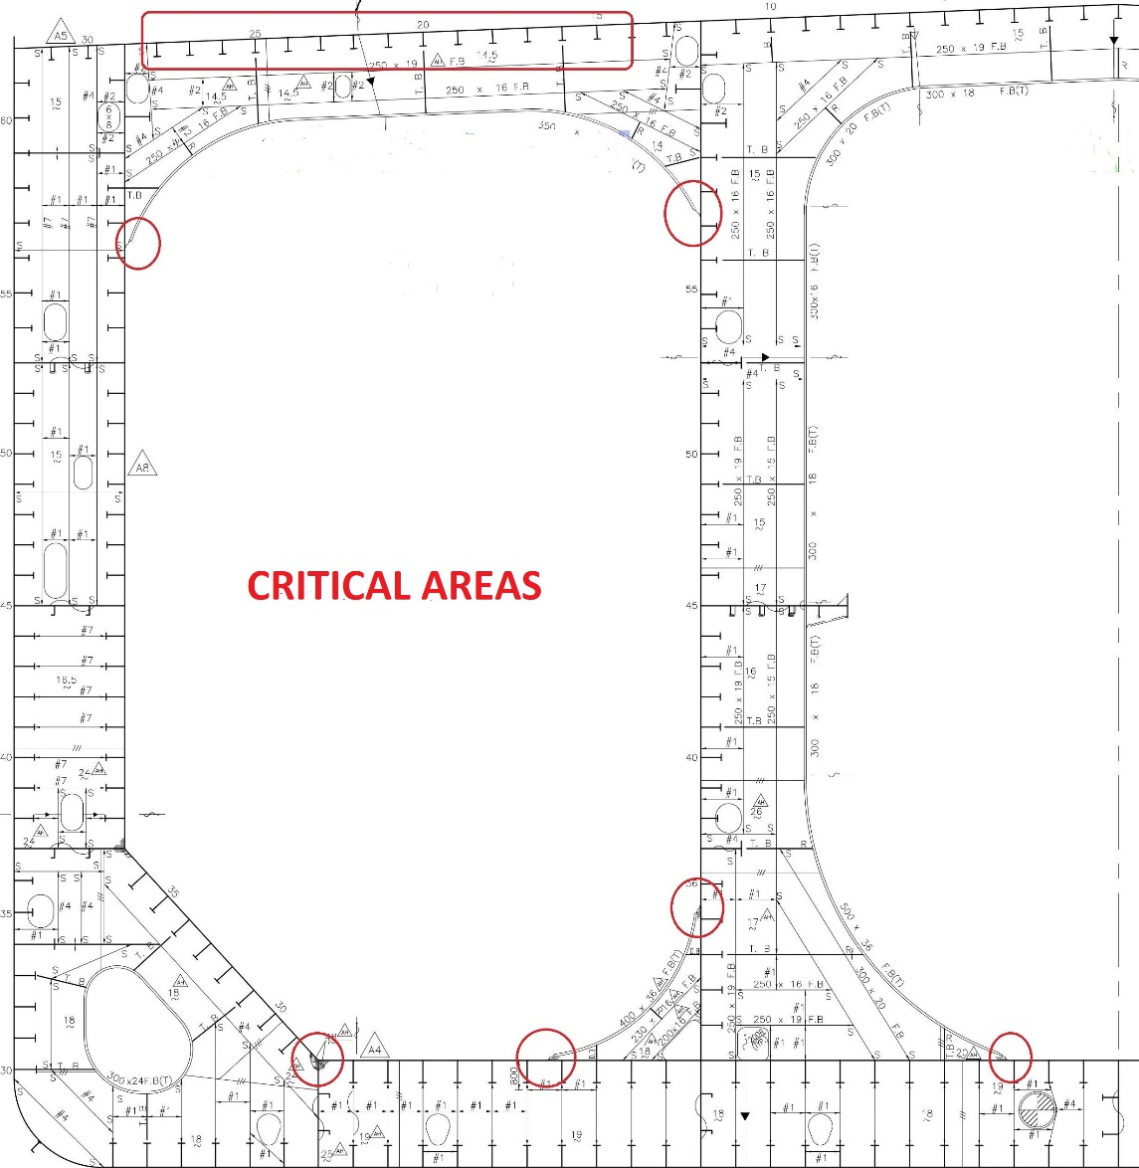

 | Tanktop - Inner Bottom | Lower - Port Long Bhd | Lower - Fwd Bhd | Lower - Stbd Long Bhd | Lower - Aft Bhd | Middle - Port Long Bhd | Middle - Fwd Bhd | Middle - Stbd Long Bhd | Middle - Aft Bhd | Upper - Port Long Bhd | Upper - Fwd Bhd | Upper - Stbd Long Bhd | Upper - Aft Bhd | Under Deck | Total All Zones | Max Zone Score | Inspection Criterion Score
Abbreviation | T | LP | LF | LS | LA | MP | MF | MS | MA | UP | UF | US | UA | D |  |  |  | Total Compartment Score
ZONE ID | 1 | 2 | 3 | 4 | 5 | 6 | 7 | 8 | 9 | 10 | 11 | 12 | 13 | 14
Coating |  |  |  |  |  |  |  |  |  |  |  |  |  |  | 0 | 0 | 0.0
General Condition |  |  |  |  |  |  |  |  |  |  |  |  |  |  | 0 | 0 | 0.0
Pitting & Grooving |  |  |  |  |  |  |  |  |  |  |  |  |  |  | 0 | 0 | 0.0
Deformation |  |  |  |  |  |  |  |  |  |  |  |  |  |  | 0 | 0 | 0.0 | 0.0
Fracture |  |  |  |  |  |  |  |  |  |  |  |  |  |  | 0 | 0 | 0.0
Condition of Fittings |  |  |  |  |  |  |  |  |  |  |  |  |  |  | 0 | 0 | 0.0
Cleanliness |  |  |  |  |  |  |  |  |  |  |  |  |  |  | 0 | 0 | 0.0
Zone Total | 0 | 0 | 0 | 0 | 0 | 0 | 0 | 0 | 0 | 0 | 0 | 0 | 0 | 0 | 0 |  | 0.0

Inspection Report

Notification Thresholds |  |  |  | Remarks
Inspection Criteria | Notify Superintendent
Coating Condition | > 3 points
General Corrosion | > 3 points
Pitting & Grooving Corrosion | > 3 points
Deformation | > 0 points
Fracture | > 0 points |  |  |  |  | Chief Officer |  |  |  |  |  |  |  |  |  | Master
Cleanliness & Housekeeping | > 3 points

Criteria
 | Coating Inspection Criteria Point Scoring
 | Coating Condition | Grading Point | Condition Comment |  | Risk Level | Color Code
 | Good | 0 | • Excellent coating with negligible indication of coating failure |  | Very Low
 |  | 1 | • Minor spot rusting |  | Low
 |  | 2 | • Spot rusting without visible coating failure is < 3% of the area under consideration; • Rusting is < 20% of edges or weld lines. |  | Low- Medium
 | Fair | 3 | • Breakdown of coating or rust penetration is > 3% but < 10% of the area; • Hard rust scale is < 5% of the area; • Rusting in the area is > 20% but < 35% of edges or weld lines. |  | Medium
 |  | 4 | • Breakdown of coating or rust penetration is > 10% but < 20% of the area; • Hard rust scale is > 5% of the area but < 10% of the area; • Rusting in the area is > 35% but < 50% of edges or weld lines. |  | Medium- High
 | Poor | 5 | • Breakdown of coating or rust penetration is > 20% but < 30% of the area; • Hard rust scale is > 10% but < 20% of the area; • Rusting in the area is > 50% but < 75% of edges or weld lines |  | High
 |  | 6 | • Breakdown of coating or rust penetration is > 30% of the area; • Hard rust scale is > 20% of the area; • Rusting in the area is > 75% of edges or weld lines. |  | Very High
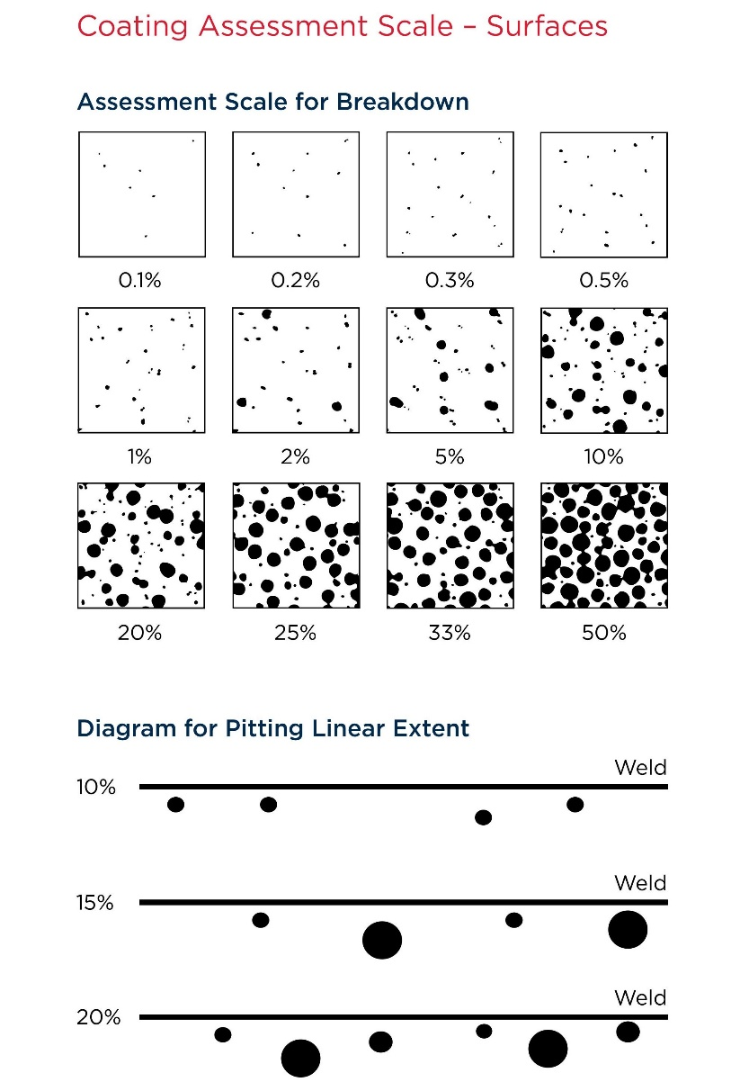
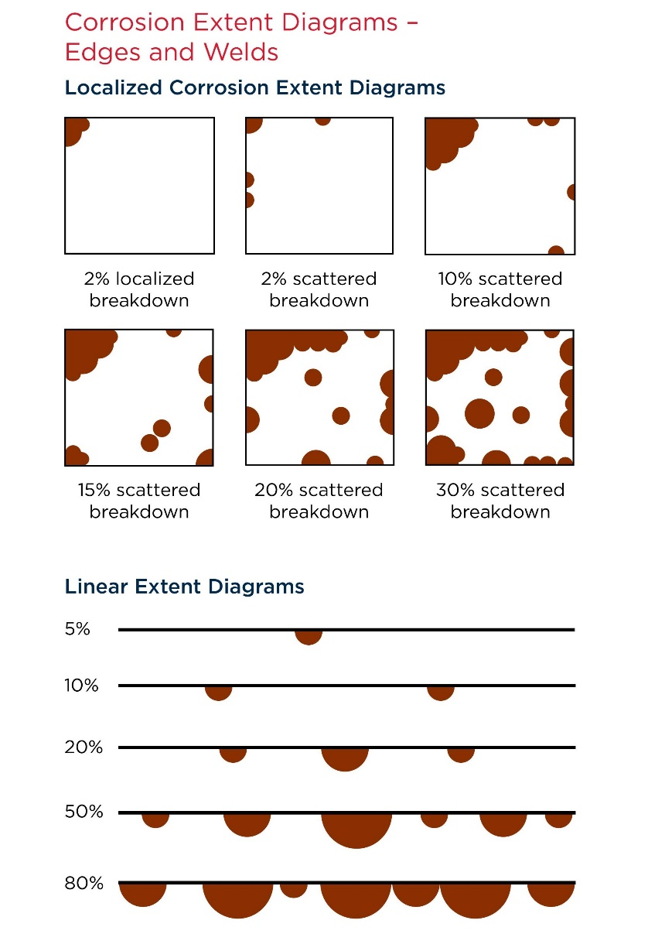

 | (Fig 1) |  |  | (Fig 2)

General Corrosion Inspection Criteria Point Scoring
Corrosion as % of Zone | Rating | Points | Condition Comment |  | Risk Level | Color Code
0% | Excellent | 0 | No rusting |  | Very Low
< 5% Light rust | Good | 1 | Negligible rusting/corrosion |  | Low
< 20% Light rust | Good – Fair | 2 | Minor spot rusting |  | Low – Medium
> 20% Light rust > 5% Hard scale | Fair | 3 | Local breakdown at edges of stiffeners and weld connections and/or light rusting over 20% or more of zone |  | Medium
> 10% Hard scale | Fair – Poor | 4 | Hard scale at 10% or more of zone |  | Medium – High
> 30% Hard scale | Poor | 5 | Serious/significant Corrosion: More than 30% corrosion and active scale is present. Active scale is loose or has fallen off the structure |  | High
> 70% Hard scale | Worst | 6 | Extensive area of corrosion: corrosion of hard and/or loose scale, including pitting, over 70% or more of the plating surface in question accompanied by evidence of thinning |  | Very High

Pitting & Grooving Inspection Criteria Point Scoring
Pitting/ Grooving Type | Rating | Points | Pitting and Grooving Depth | Intensity (% of Zone) | Risk Level | Color Code
No Pits/ Grooves | Excellent | 0 | — | — | Very Low
Shallow Pits/ Grooves | Good | 1 | Less than 1/3 of original thickness | < 5% | Low
Shallow Pits/ Grooves | Good – Fair | 2 | Less than 1/3 of original thickness | < 15% | Low – Medium
Shallow Pits/ Grooves | Fair | 3 | Less than 1/3 of original thickness | > 15% | Medium
Deep Pits/ Grooves | Fair – Poor | 4 | More than 1/3 of original thickness | < 15% | Medium – High
Deep Pits/ Grooves | Poor | 5 | More than 1/3 of original thickness | > 15% | High
Deep Pits/ Grooves | Worst | 6 | Less than 6 mm of original thickness remaining | — | Very High

Deformation Inspection Criteria Point Scoring
Set-in Area | Set-in Depth | Rating | Condition Comment | Point | Risk Level | Color Code
No Deformation | — | Excellent | No deformation | 0 | Very Low
Within Panel | < 75 mm (3 in) | Good | Gradual set-in | 1 | Low
Within Panel | > 75 mm (3 in) | Good – Fair | Gradual set-in | 2 | Low – Medium
Within Bay (multiple panels) | < 75 mm (3 in) | Fair | Set-in with associated internals tripped | 3 | Medium
Brackets and Internals | Tripped | Fair – Poor | Tripped and buckled internals and brackets | 4 | Medium – High
Within Bay | > 75 mm (3 in) | Poor | Buckled, indented, tripped internals | 5 | High
Multiple Bays | — | Worst | Buckled, heavily indented, tripped internals | 6 | Very High

 | Fracture Inspection Criteria Point Scoring
 | Fracture Location | Points | Condition Comment |  | Risk Level | Color Code
 | No Fractures | 0 | No fractures |  | Very Low
 | Welds | 3 | Weld fractures in support brackets, internals, detachments |  | Low – Medium
 | Flanges | 3 | Flanges of brackets, internals, stiffeners |  | Medium
 | Webs | 4 | Webs of frames, floors, brackets, stiffeners, internals |  | Medium – High
 | Bulkheads | 5 | Transverse and longitudinal bulkheads, primary structure members |  | High
 | Hull Envelope (Shell) | 6 | Sideshell, bottom and deck |  | Very High

Cleanliness & Housekeeping Inspection Criteria Point Scoring
Cleanliness and Housekeeping |  | Rating | Condition Comment | Points | Risk Level | Color Code
Clean and excellent condition |  | Excellent | Similar to newly built condition | 0 | Very Low
Very light, negligible layer of residue and sediments |  | Good | Anodes in good condition more than 90% remaining | 1 | Low
Light layer of residue, sediments inspections |  | Good – Fair | Anodes 75% remaining. Cleaning not required for close-up. | 2 | Low – Medium
Spaces sufficiently clean and free from water, scale, dirt, container residues, etc. to reveal corrosion, deformation, fractures, damages or other structural deterioration |  | Fair | Anodes 50% remaining. Meaningful examination is possible and may require some local cleaning. | 3 | Medium
Spaces with surfaces containing loose accumulated corrosion scale |  | Fair – Poor | Anodes 30% remaining. Water, scale, dirt, container residues, etc, which make examination difficult. | 4 | Medium – High
Spaces with residue and sediments which do not give access to surfaces |  | Poor | Anodes not effective. Meaningful examination not possible without cleaning. | 5 | High
In addition to above, spaces with means of access and entry not safe |  | Worst | Cathodic protection systems ineffective. Compartment needs to be made safe for entry. | 6 | Very High

